Linear Constrained (Simplex)
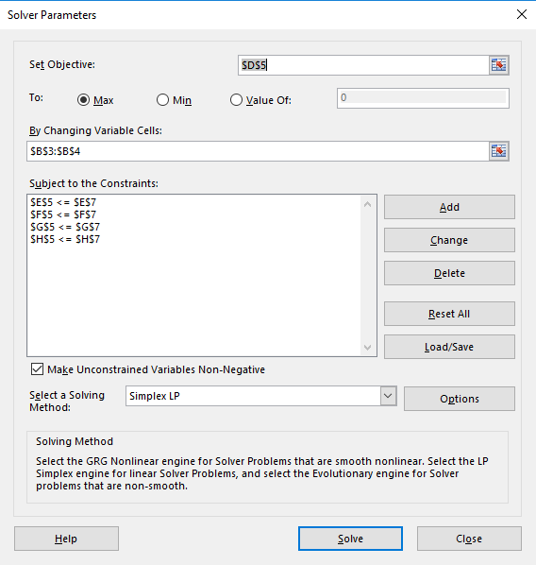
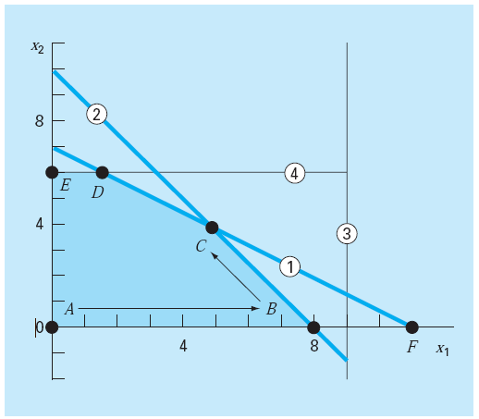
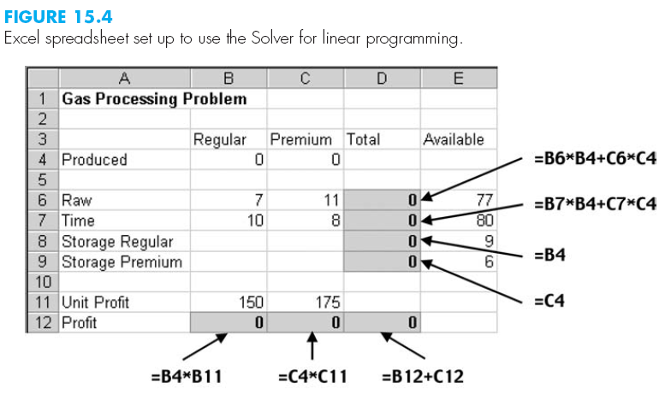
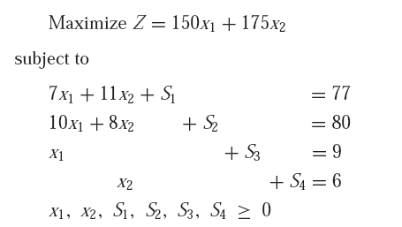
 |  |  | coefficient
variable | value |  | Z | Constraint-1 | Constraint-2 | Constraint-3 | Constraint-4
x1 | 4.8888888889 |  | 150 | 7 | 10 | 1
x2 | 3.8888888889 |  | 175 | 11 | 8 |  | 1
 |  | Value | 1413.8888889 | 77 | 80 | 4.8888888889 | 3.8888888889
 |  | L_bound
 |  | U_bound |  | 77 | 80 | 9 | 6

Simplex - C++
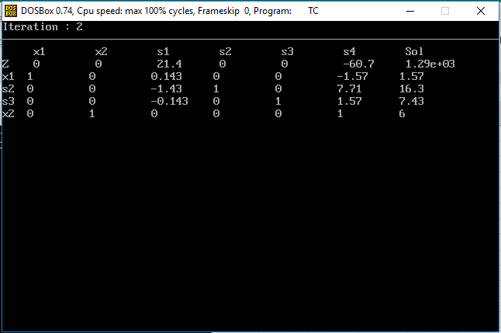
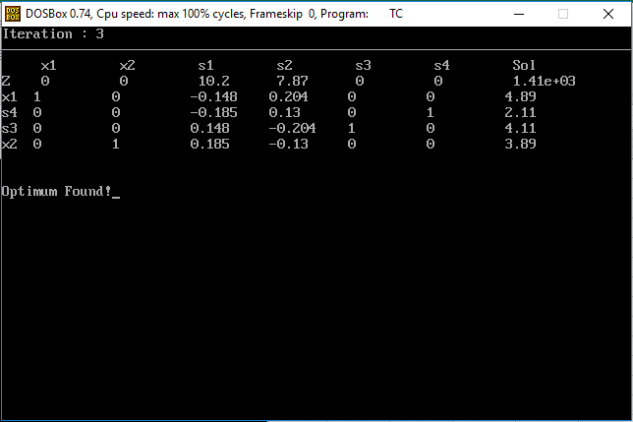
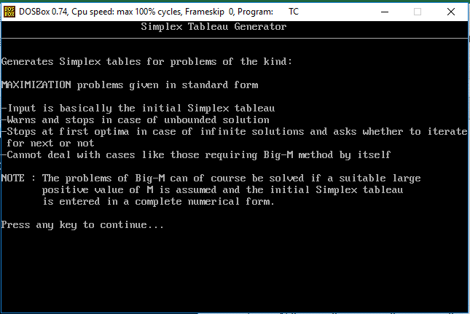

Objective : Maximize :-
 | Z = 150 x1 + 175 x2
Constraints
 | 7 x1 + 11 x2 ≤ 77
 | 10 x1 + 8 x2 ≤ 80
 | x1 ≤ 9
 | x2 ≤ 6

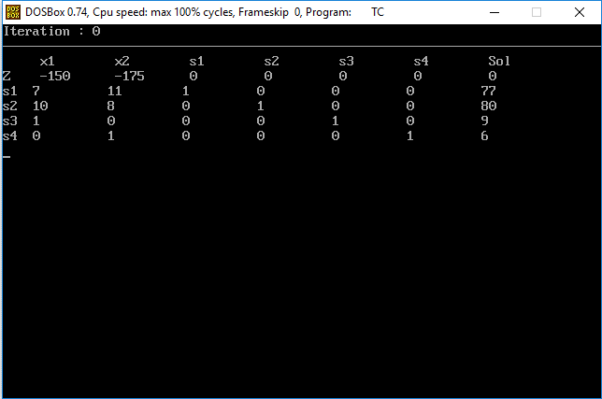
Iteration : 0

x1 x2 s1 s2 s3 s4 Sol
Z -150 -175 0 0 0 0 0
s1 7 11 1 0 0 0 77
s2 10 8 0 1 0 0 80
s3 1 0 0 0 1 0 9
s4 0 1 0 0 0 1 6

Iteration : 1

x1 x2 s1 s2 s3 s4 Sol
Z -150 0 0 0 0 175 1.05e+03
s1 7 0 1 0 0 -11 11
s2 10 0 0 1 0 -8 32
s3 1 0 0 0 1 0 9
x2 0 1 0 0 0 1 6

Iteration : 2

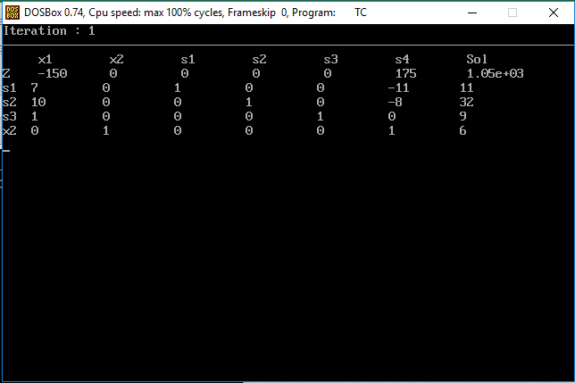
x1 x2 s1 s2 s3 s4 Sol
Z 0 0 21.4 0 0 -60.7 1.29e+03
x1 1 0 0.143 0 0 -1.57 1.57
s2 0 0 -1.43 1 0 7.71 16.3
s3 0 0 -0.143 0 1 1.57 7.43
x2 0 1 0 0 0 1 6

Iteration : 3

x1 x2 s1 s2 s3 s4 Sol
Z 0 0 10.2 7.87 0 0 1.41e+03
x1 1 0 -0.148 0.204 0 0 4.89
s4 0 0 -0.185 0.13 0 1 2.11
s3 0 0 0.148 -0.204 1 0 4.11
x2 0 1 0.185 -0.13 0 0 3.89

Result matches with Excel solver

